Connecting Rod
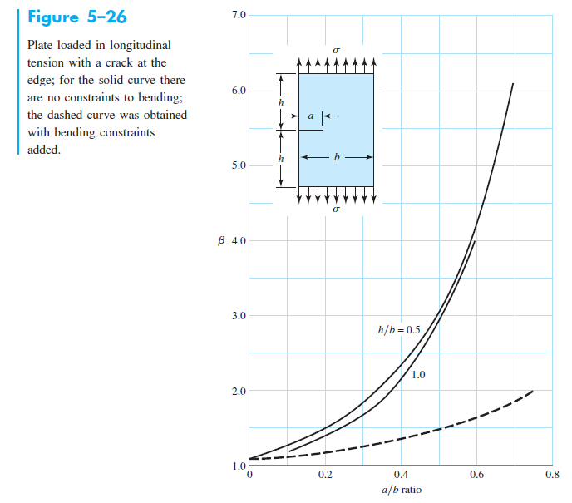
# | Material | Density [kg/m3] | Yield Str Sy [Pa] | Ult. Tens. Str. Sut [Pa] | Elastic Mod. E [Pa] | Frac. Tough. KIC | C | m
1 | 6061 Aluminium |  |  |  |  |  | 7.88E-09 | 3.97
2
3
4

 | Connecting Rod Length, L | 0.16 | m |  | Pcyl,max | 8187000 | Pa |  | Buckling |  |  | Fatigue
 | Crank Arm Length, b | 0.05125 | m |  | xmax | 0 | m |  | Condition | #DIV/0! | m | LEFM
 | Bore/depth | 0.1025 | m |  | Pcyl,min | 101325 | Pa |  |  |  |  | β | 2 | j
 |  |  |  |  | xmin | 0.1025 | m |  | Pcr1 | 0 | N | Critical Crack Size, af | 0 | m
 | Cross Section |  |  |  |  |  |  |  | Pcr2 | #DIV/0! | N | Initial Crack Size, a0 |  | m
 | Width, B | 0.02 | m |  | dpiston | 0.078846153846 | m |  |  |  |  | LEFM Fatigue Life, Nf | #NUM! | cycles
 | Height, H | 0.02 | m |  | Apiston | 0.0048825973102 | m2 |  | FoSBuckling | #DIV/0!
 | Ac | 0.0004 | m2 |  |  |  |  |  |  |  |  | Stress Life
 | Iarea | 1.3333333333E-08 | m4 |  |  |  |  |  |  |  |  | σxamplitude | #NUM! | Pa
 |  |  |  |  | Inertial Torque/Bending MomentMAX | 0 | N m |  |  |  |  | σxmean | #NUM! | Pa
 | Mass | 0 | kg |  | Inertial Torque/Bending MomentMIN | 0 | N m
 | Imass | 0 | kg m2 |  | Axial Force, F1Max | 124796.32914 | N |  |  |  |  | σbendamplitude | 0 | Pa
 |  |  |  |  | Axial Force, F1Min | #NUM! | N |  |  |  |  | σbendmean | 0 | Pa

 |  |  |  |  | σxNmax | -311990822.86 | Pa |  |  |  |  | σa' | #NUM! | Pa
 |  |  |  |  | σxNmin | #NUM! | Pa |  |  |  |  | σm' | #NUM! | Pa

 |  |  |  |  | σxBendingMax | 0 | Pa |  |  |  |  | a | 4.51
 |  |  |  |  | σxBendingMin | 0 | Pa |  |  |  |  | b | -0.265
 |  |  |  |  |  |  |  |  |  |  |  | ka | #DIV/0!
 |  |  |  |  | σxMax | -311990822.86 | Pa |  |  |  |  | kb | 1.368294077
 |  |  |  |  | σxMin | #NUM! | Pa |  |  |  |  | Se' | 0 | MPa
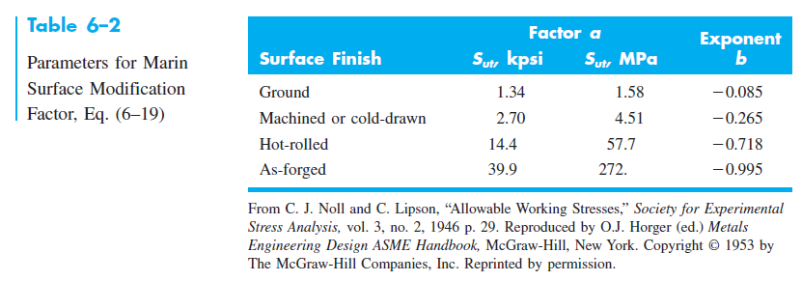
 |  |  |  |  | ∆σ | #NUM! | Pa |  |  |  |  | Se | #DIV/0! | MPa

 |  |  |  |  | FoSYielding | 0 |  |  |  |  |  | FoSSoderberg | #NUM!

